Sheet1
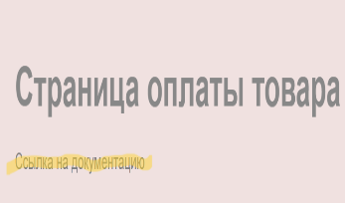
Bug-report "Modal window of payment for goods"
Title | Pre-conditions | Steps | Expected Result | Actual Result | Attachments
1. In the modal window there is a link to the documentation | The modal payment window for the goods is open: https://test-stand.gb.ru/seminar_stands/payform/index.html Environment: Opera version is 96.0.4693.80 | 1. Pay attention to the presence of the inscription "link to documentation" under the heading "Payment page for goods" | In the modal payment window for the goods, there should not be a link to the documentation | In the modal payment window for goods there is a link to the documentation
Severity
Critical

Priority
High

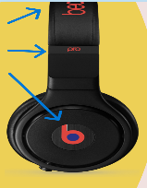
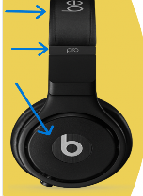
Title | Pre-conditions | Steps | Expected Result | Actual Result | Attachments
2. The picture of the headphones on the modal window is different from the layout | The modal payment window for the product is open: https://test-stand.gb.ru/seminar_stands/payform/index.html Environment: Opera version is 96.0.4693.80l | 1. Compare the picture of the headphones with the layout | According to the layout, the logo on the headphones is white | The logo in the picture of the headphones is red, оn the modal payment window for the goods
Severity
Major

Priority
Low

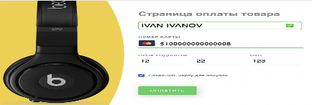
Title | Pre-conditions | Steps | Expected Result | Actual Result | Attachments
3. The background color of the modal window is different from the layout | The modal payment window for the product is open: https://test-stand.gb.ru/seminar_stands/payform/index.html Environment: Opera version is 96.0.4693.80 | 1. Compare the background color of the modal window with the layout | According to the specificitions, the background color of the modal window is pink | According to the layout, the background color of the modal window is white | 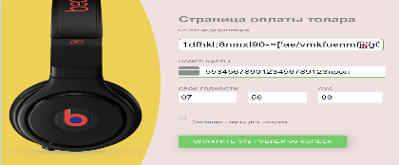
Severity
Major

Priority
Medium

Title | Pre-conditions | Steps | Expected Result | Actual Result | Attachments
4. The size of the modal window is different from the requirements | The modal payment window for the product is open: https://test-stand.gb.ru/seminar_stands/payform/index.html Environment: Opera version is 96.0.4693.80 | 1. Check the size of the modal window | Modal window size: 800*900 | The size of the modal window differs from the specifications (675 * 494.9) | 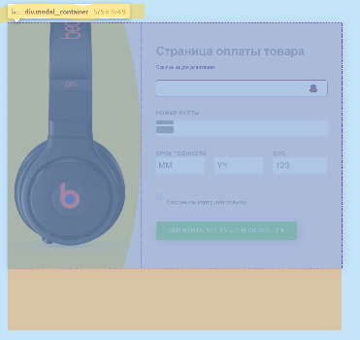
Severity
Major

Priority
Medium

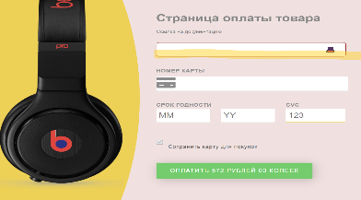
Title | Pre-conditions | Steps | Expected Result | Actual Result | Attachments
5. The absence of the placeholder "Your name" in the name input field | The modal payment window for the product is open: https://test-stand.gb.ru/seminar_stands/payform/index.html Environment: Opera version is 96.0.4693.80 | 1. Check the presence of a placeholder in the name input field | The name input field contains the placeholder "Your name". When you enter text, the placeholder hides. | Placeholder "Your Name" is missing in the name input field
Severity
Critical

Priority
High

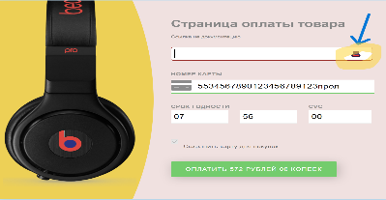
Title | Pre-conditions | Steps | Expected Result | Actual Result | Attachments
6. A hat icon is displayed instead of a cross, in the name input field | The modal payment window for the product is open: https://test-stand.gb.ru/seminar_stands/payform/index.html Environment: Opera version is 96.0.4693.80 | 1. Check for a cross in the name input field | Displaying the cross icon and the field is highlighted in red if nothing is entered. | Displaying the hat icon in the name input field if nothing is entered
Severity
Critical

Priority
High

Title | Pre-conditions | Steps | Expected Result | Actual Result | Attachments
7.The rocket icon is displayed instead of a green checkmark, in the name input field | The modal payment window for the product is open: https://test-stand.gb.ru/seminar_stands/payform/index.html Environment: Opera version is 96.0.4693.80 | 1. Enter a name in the name input field | The field is highlighted in green and a green check mark is displayed as soon as the user enters a name | A rocket is displayed instead of a green checkmark, as soon as the user enters a name | 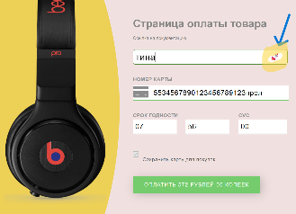
Severity
Critical |  | 2. Check for a green checkmark

Priority
High

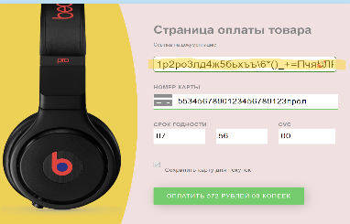
Title | Pre-conditions | Steps | Expected Result | Actual Result | Attachments
8. There are no restrictions on entering in the name field | The modal payment window for the product is open: https://test-stand.gb.ru/seminar_stands/payform/index.html Environment: Opera version is 96.0.4693.80 | 1. Enter more than 40 characters in Cyrillic in the name input field | Restrictions on entering in the name field: 1. Valid length from 3 to 40 characters 2. Only letters, dashes and spaces are accepted 3. It is allowed to enter only in Latin | There are no restrictions for entering in the name field, you can enter more than 40 characters. You can enter any symbols and numbers. You can enter the Cyrillic alphabet.
Severity
Critical |  | 2. Enter special characters and numbers in the name input field

Priority
High

Title | Pre-conditions | Steps | Expected Result | Actual Result | Attachments
9. Types of payment cards are not defined | The modal payment window for the product is open: https://test-stand.gb.ru/seminar_stands/payform/index.html Environment: Opera version is 96.0.4693.80l | 1. Enter the first digits of payment cards in the "Card number" field | The following types of cards are allowed: VISA - first digit 4 MASTERCARD - the first digit of 5 AMERICAN_EXPRESS is the first digit 3 JCB - first digit 3 UNIONPAY - first digit 6 MAESTRO - the first digit is 3, 5 or 6 | The first digits of some cards begin with the same digits, which makes it impossible to determine the type of cards. (According to the specifications) (AMERICAN_EXPRESS is the first digit of 3 JCB is the first digit of 3. UNIONPAY - first digit 6 MAESTRO is the first digit 3 and 6).
Severity
Critical

Priority
High

Title | Pre-conditions | Steps | Expected Result | Actual Result | Attachments
10. Non-compliance of payment cards with card icons | The modal payment window for the product is open: https://test-stand.gb.ru/seminar_stands/payform/index.html Environment: Opera version is 96.0.4693.80 | 1. Enter the first digits of payment cards in the "Card number" field | The corresponding card icon is shown if the the card will start with certain digits for the following cards: VISA: 4 MASTERCARD: 5 AMERICAN_EXPRESS: 34, 37 DINERS_CLUB: 69 DISCOVER: 60 JCB: 3 UNIONPAY: 62 MAESTRO: 55 | The JCB: 3 card is not detected correctly, as a AMEX UNIONPAY card: 62 is not detected correctly, as a AMERICAN EXPRESS MAESTRO card: 55 is not defined
Severity
Critical |  | 2. Check if the card matches the payment card icons

Priority
High

Title | Pre-conditions | Steps | Expected Result | Actual Result | Attachments
11. There are no restrictions on entering in the card input field | The modal payment window for the product is open: https://test-stand.gb.ru/seminar_stands/payform/index.html Environment: Opera version is 96.0.4693.80 | 1. Enter more than 19 digits in the card input field | Restrictions for the card input field: 1. The allowable length is from 12 to 19 characters, depending on the payment system of the card 2. Only numbers are available for input | You can enter more than 19 characters. Any symbols and letters are available for input. | 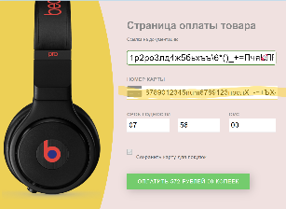
Severity
Critical |  | 2. Enter any specials. Symbols and letters in the card input field

Priority
High

Title | Pre-conditions | Steps | Expected Result | Actual Result | Attachments
12. There is no designation of required fields (field expiration date) | The modal payment window for the product is open: https://test-stand.gb.ru/seminar_stands/payform/index.html Environment: Opera version is 96.0.4693.80 | Check for the "expiration date" field designation as mandatory | The field expiration date (number and date) are required fields | Field expiration date (number and date) – are not displayed as required fields.
Severity
Major

Priority
Medium

Title | Pre-conditions | Steps | Expected Result | Actual Result | Attachments
13. There are no restrictions on entering in the "date" field | The modal payment window for the product is open: https://test-stand.gb.ru/seminar_stands/payform/index.html Environment: Opera version is 96.0.4693.80 | 1. Enter special characters in the date field | Restrictions for date fields: 1. The allowed length is 2 characters 2. Only digits are allowed to enter 3. If the month is up to 10, then 0 is indicated before its number 4. In the month input field, you can enter values from 01 to 12 5. In the year input field, you can enter values from the current year to the current year + 10 years | You can enter any special symbols and letters. You can enter any value greater than 12. A message appears: "Enter the data according to the appropriate format", if the month is up to 10, then 0 is indicated before its number. The message is displayed in English. | 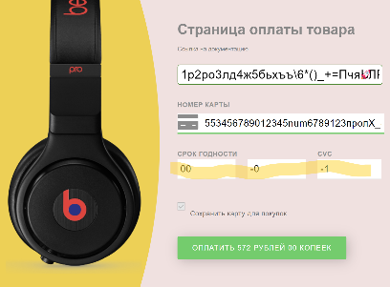
Severity
Critical |  | 2. Enter a value greater than 12

Priority |  | 3. Enter any year
High


Title | Pre-conditions | Steps | Expected Result | Actual Result | Attachments
14. No restrictions for CVC field | The modal payment window for the product is open: https://test-stand.gb.ru/seminar_stands/payform/index.html Environment: Opera version is 96.0.4693.80 | 1. Enter any 3 characters in the CVC field | Restrictions for the cvc field: 1. Only 3 characters are allowed 2. All symbols are numbers only 3. Valid values are from 001 to 999 | Only two characters can be entered. It is allowed to enter letters and special characters
Severity
Critical

Priority
High

Title | Pre-conditions | Steps | Expected Result | Actual Result | Attachments
15. The checkbox button is not active | The modal payment window for the product is open: https://test-stand.gb.ru/seminar_stands/payform/index.html Environment: Opera version is 96.0.4693.80 | 1. Click on the checkbox | The checkbox has two states: 1. Active, then the card is saved for purchases 2. Inactive, the card is not saved for purchases | The checkbox button is not active, is displayed in gray, It does not respond to clicks, does not work. | 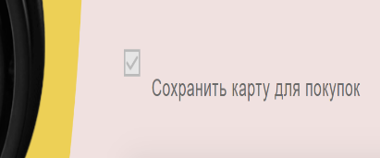
Severity
Critical

Priority
High

Title | Pre-conditions | Steps | Expected Result | Actual Result | Attachments
16. The payment button does not change its display | The modal payment window for the product is open: https://test-stand.gb.ru/seminar_stands/payform/index.html Environment: Opera version is 96.0.4693.80 | 1. Check the color of the payment button | When all the fields are filled, the button changes its color (gray) and its state to active and the color turns green. The button displays the amount to be paid in the format NN ruble / rubles / ruble NN kopecks / kopeck. When you hover the cursor over the button, the button grows in size. | The color of the payment button is green. There is no change in the color of the payment button. The word ruble is not inflected in accordance with the declension rules in Russian language. | 
Severity
Critical |  | 2. Fill in all the fields of payment for the goods
 |  | 3. Click on the "pay" button
Priority |  | 4. Check the color changes of the button and its activity
High |  | 5. Check the format of displaying the payment amount on the button

